Sizing
1 MILL
 |  | Load [kWh/year] | Investment Cost [MUSD @2015] | PV Size [kW] | Battery Size [kWh] | Genset Size [kW] | Fuel Consumption [kUSD/year] | Battery Replacement Cost [kUSD] | Fixed O&M [kUSD/year] | Cash Flow [kUSD/year] | Tariff no INV [USD/kWh] | LCoE [USD/kWh] | Direct CO2 Emitted [ton/year] | Elec from Fuel [GWh] | From Grid [ton/year]
 | BAU | 323,668 | - | - | - | - | - |  |  |  |  |  | 71.10 |  | 71.10
Hybrid | plus 50% | 489,041 | 0.72374 | 325 | 124 | 118 | 72.32 | 1.42 | 15.18 | 88.92 | 0.000182 | 0.0581 | 157.98639946 | 0.2134951344 | 107.42
 | plus 100% | 650,245 | 0.73286 | 326 | 136 | 129 | 127.60 | 1.57 | 15.43 | 144.6009 | 0.000222 | 0.0611 | 278.74095869 | 0.3766769712 | 142.83
Solar | plus 50% | 489,041 | 2.50473 | 902 | 1751 | - | - | 9.73 | 50.09 | 59.82 | 0.000122 | 0.0997 | - | -
 | plus 100% | 650,245 | 3.50703 | 1221 | 2663 | - | - | 20.55 | 70.14 | 90.6875 | 0.000139 | 0.1072 | - | -

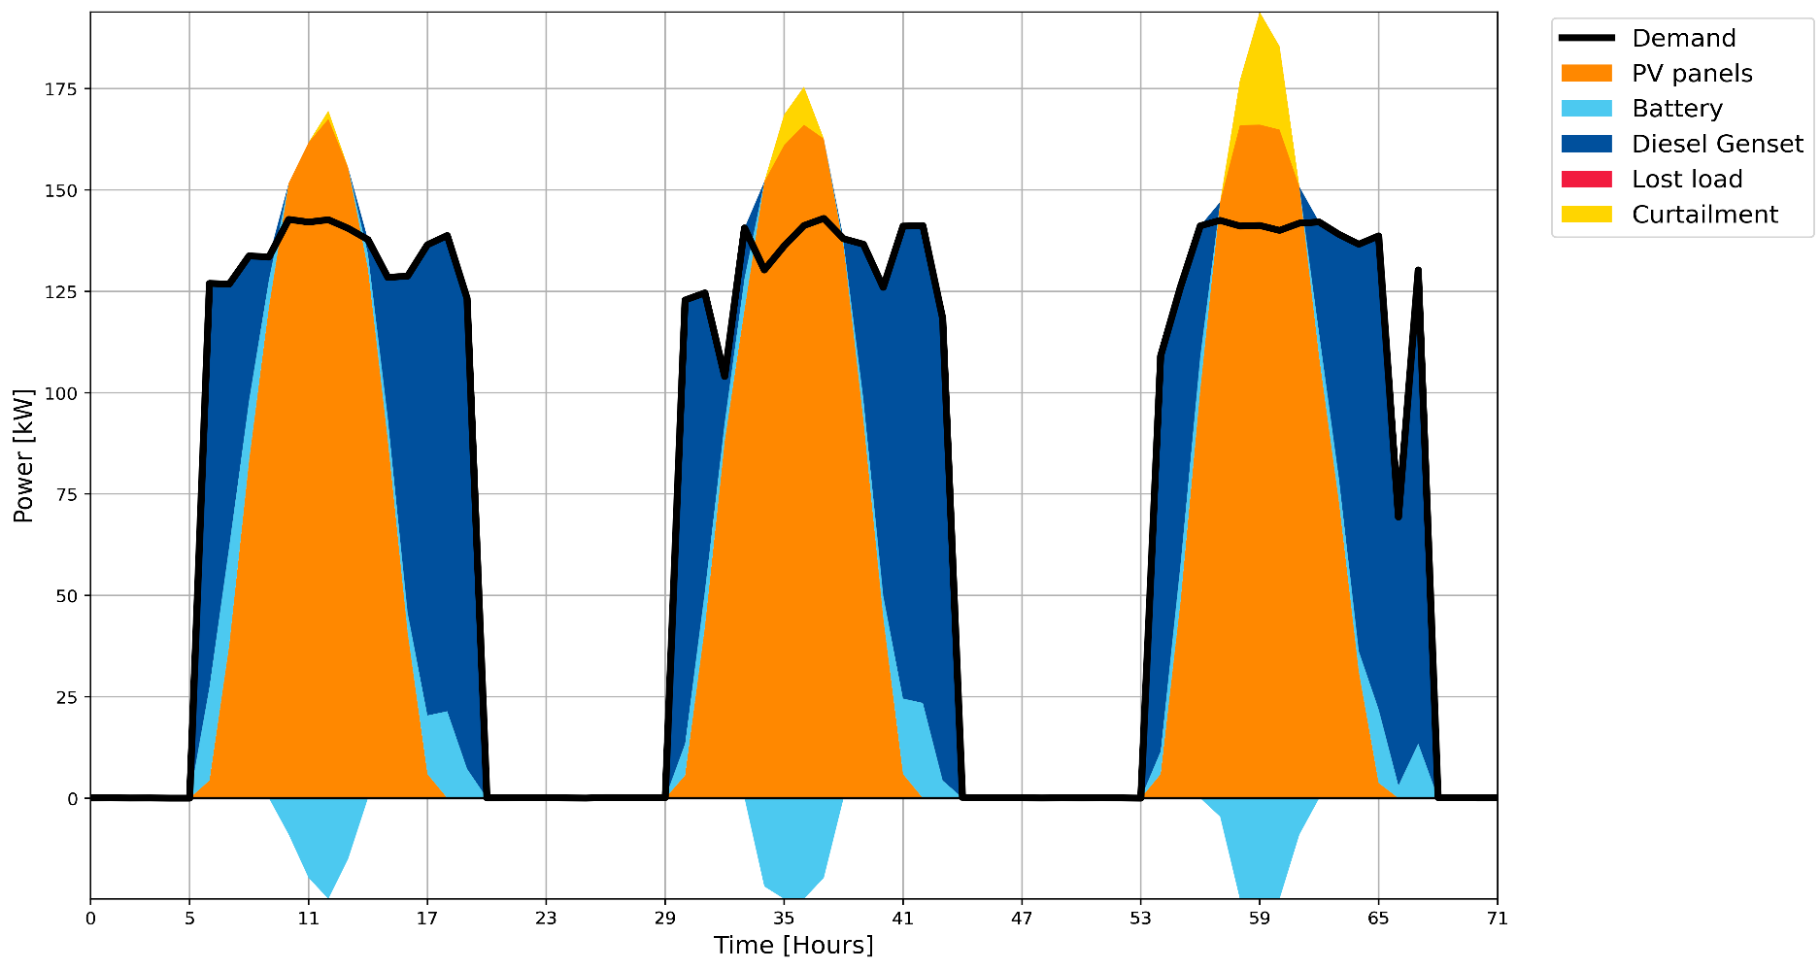
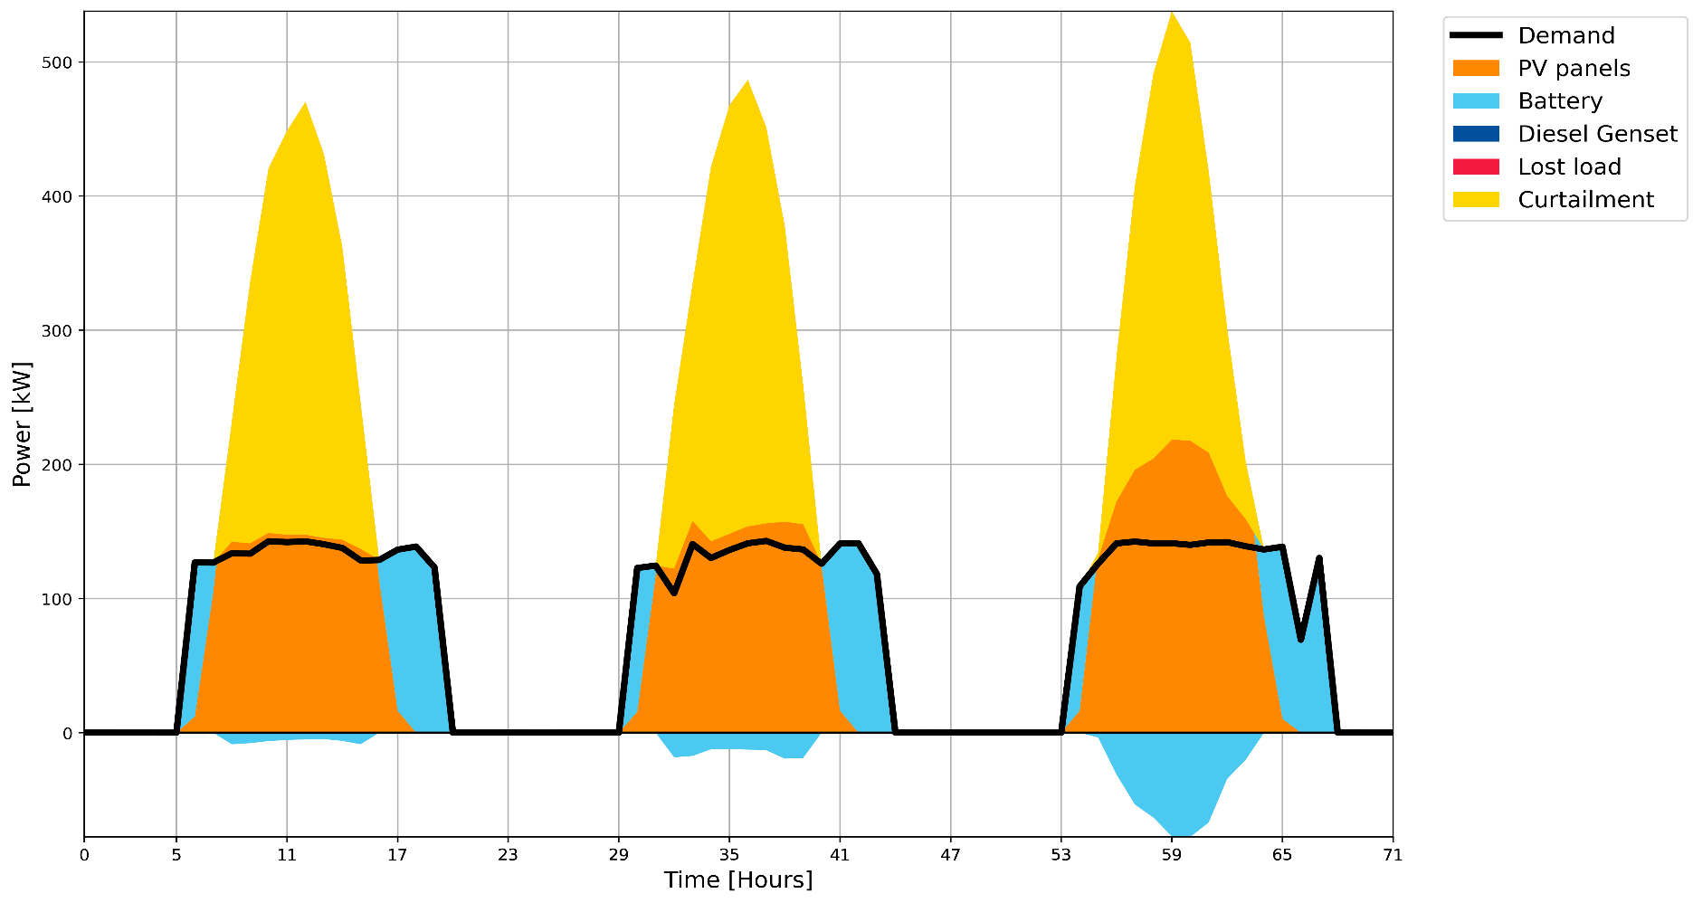

 |  |  |  |  |  |  |  |  |  |  |  |  |  | 1179 | GWh Oil | IEA (2015) | 740 | ton/GWh
 |  |  |  |  |  |  |  |  |  |  |  |  |  | 4464 | GWh Gas |  | 370 | ton/GWh
 |  |  |  |  |  |  |  |  |  |  |  |  |  | 5845 | GWh Hydro |  | 0 | ton/GWh
 |  |  |  |  |  |  |  |  |  |  |  |  |  | 3 | GWh PV |  | 0 | ton/GWh

 |  |  |  |  |  |  |  |  |  |  |  |  |  |  |  | 219.66234444

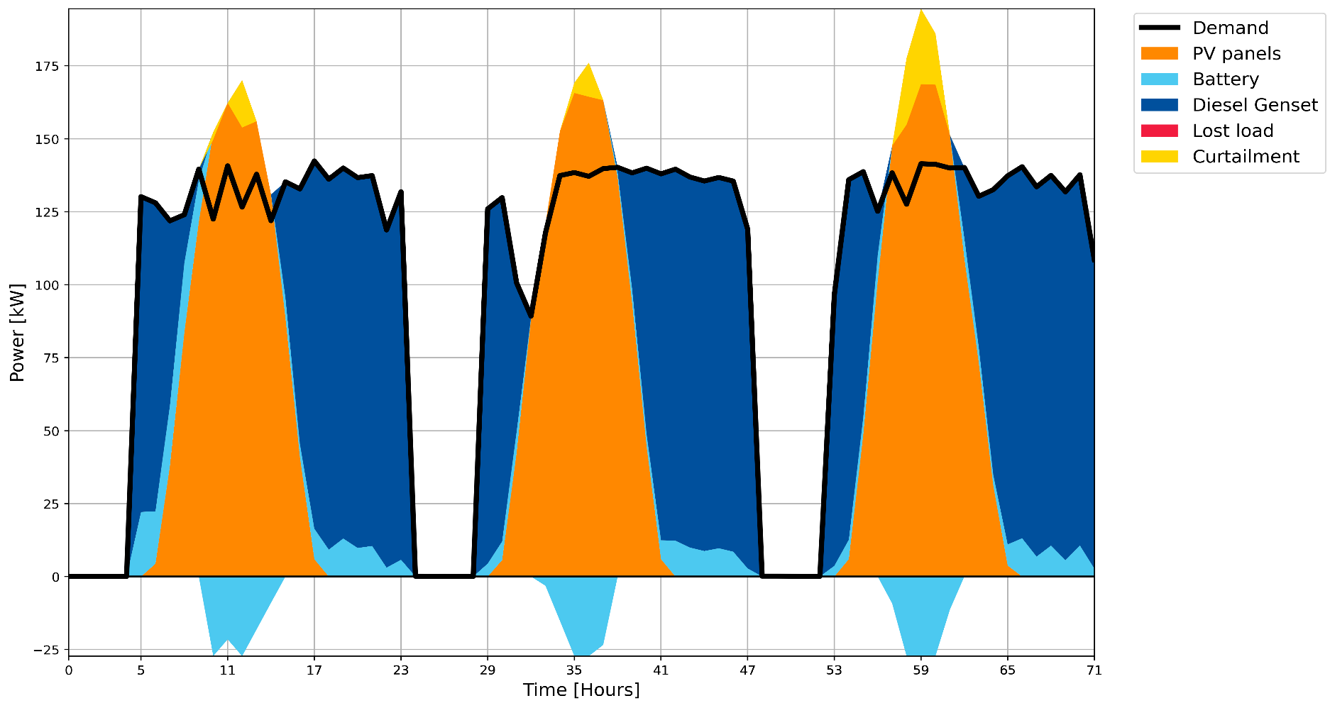
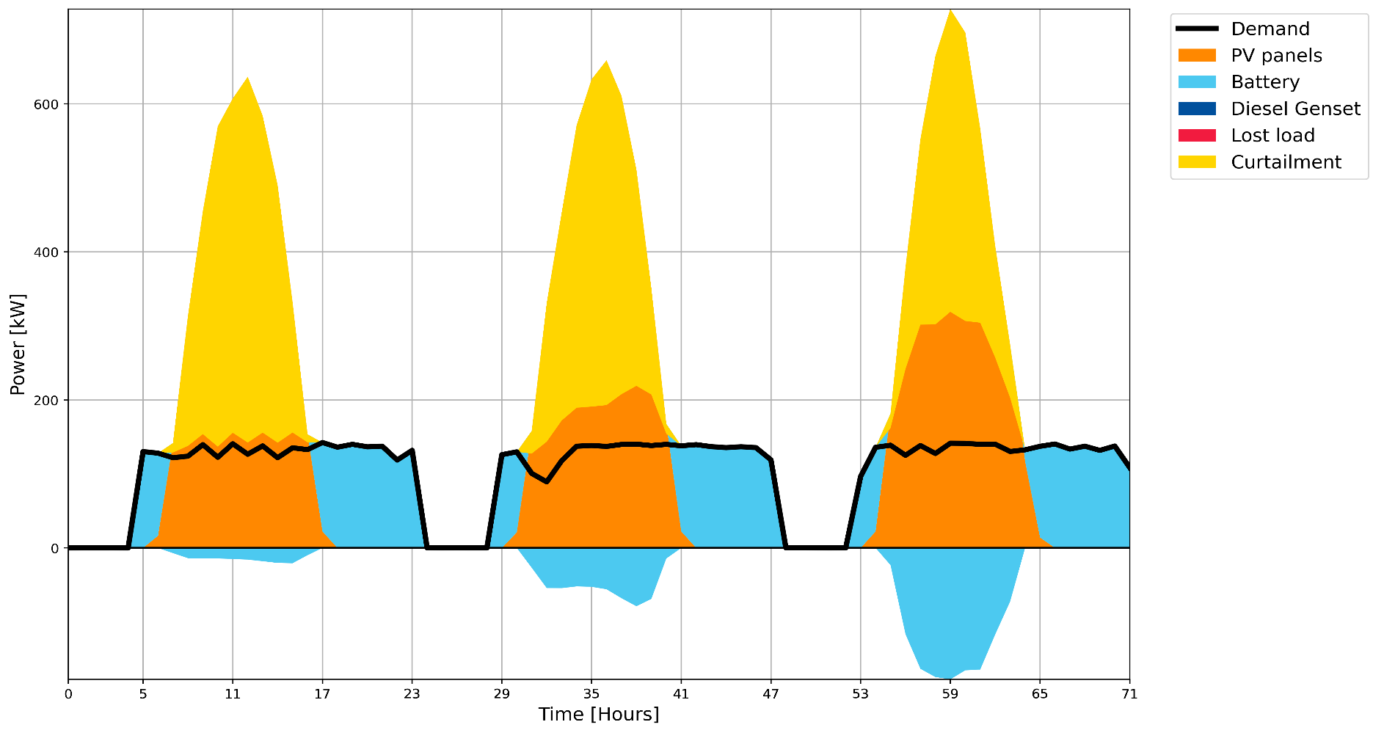

 |  | Investment Cost [MUSD @2015] | PV Size [kW] | Battery Size [kWh] | Genset Size [kW] | Fuel Consumption [kUSD/year] | LCoE [USD/kWh]
Hybrid | plus 50% | 0.72374 | 325 | 124 | 118 | 72.32 | 0.0581
 | plus 100% | 0.73286 | 326 | 136 | 129 | 127.60 | 0.0611
Solar | plus 50% | 2.50473 | 902 | 1751 | - | - | 0.0997
 | plus 100% | 3.50703 | 1221 | 2663 | - | - | 0.1072

